Dashboards
Apple Glowtime WWDC dashboard | Apple Glowtime WWDC dashboard
Product Name
 | Total
Apple Watch 10 | 749
iPad Pro 2024 | 1099
iPhone 16 | 999
iPhone 16 Pro | 1299
MacBook Air 2024 | 1199
Category
 | Total
Laptop | 1
Smartphone | 2
Tablet | 1
Wearable | 1


Units Sold
 | Total
1 | 50000
2 | 30000
3 | 20000
4 | 10000
5 | 15000
Region
 | Total
Asia | 14980000
Europe | 55455000
North America | 61940000
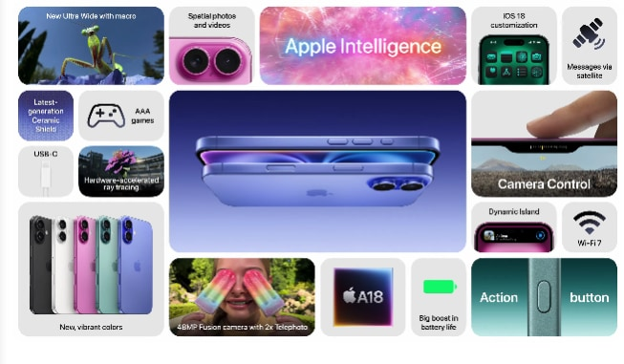
Sum of Market Share
 | Total
Q1 | 47
Q2 | 22
Q3 | 23.2
Q4 | 25

